1. Title Page
Instacart Basket Analysis

Project Name: Instacart Basket Analysis
Date:
Analyst Name: Liberty Onia

Contents:
Population Flow
Consistency checks
Wrangling steps
Column derivations
Visualizations
Recommendations

2. Population Flow
Title page

Population flow

Orders_products_combined
Orders_products_merged
Orders_products_all

Total: 30,328,763
Total: 30,356,421
Total: 28,668,554

1.) The grey boxes in the first row of the population flow represent the original data sets as they were when you downloaded them. In the Total fields you need to add the count of the rows when you imported the data set into Jupyter.
2.) The second row of boxes (coloured) represents the data sets after you manipulated them, e.g., removed missing values and duplicates. In the Total fields you need to add the count of the rows after conducting these operations. This offers a visual oveview of how the data flows throughout the data consistency checks.
3.) The third row, where also the arrows are coloured, represents the merges you performed between the datasets. In the Total fields you need to add the count of the rows in the merged datasets, so that you end up with the final dataset (in the red box). Keep in mind the final dataset should be without exclusions (based on the exclusion flag).

3. Consistency checks
 |  |  |  | Title page
Consistency checks

Dataset | Column | Observation | Action
orders | days_since_prior_order | 206209 missing values | Dropped missing values and reassigned to ords_cleaned_4.5
products | product_name | 16 missing values | Missing values were removed
products | N/A | 5 duplicate records | Removed duplicates and product dataframe exported as products_no_duplicates_4.5.csv
orders_products_merged.pkl | prices | Removed prices > 100 | Removed any records containing prices greater than 100
orders_products_all | Customer Activity | Drop low-activity customers | 1,660,209 customers were low activity customers

4. Wrangling steps
 |  |  |  | Title page
Wrangling steps

Dataset | Column Name | Action | Comment/Reason
orders | order_id | Datatype change | integer changed to string
orders | user_id | Datatype change | integer changed to string
orders | order_dow | Name change | changed to order_day_of_week
departments | department_id, department_name | Transposed | Transposed so that department_id and department_name were new columns
customers | Surnam | Name changed to 'Surname' | Changed name from Surnam to Surname

5. Column derivations
 |  |  |  | Title page

Column derivations and aggregations

In this tab you should add tables below that the frequences of flags/label variables that you produced after deriving them. NB: don't do this for continuous variables, only for flags.
Dataset | New column | Column/s it was derived from | Conditions
orders_products_merged.pkl | price_range_loc | prices | High-Range product > 15, Mid-Range product 15 > x > 5, Low-Range x < 5
orders_products_merged.pkl | busiest_day | order_day_of_week | 0 is 'busiest day', 4 is 'least busy day', all others are 'regularly busy'
orders_products_merged.pkl | busiest_days | order_day_of_week | 0 and 1 are 'busiest days', 4 and 3 are 'slowest days', all other days are 'regularly busy'
orders_products_merged.pkl | busiest_period_of_day | order_hour_of_day | 10,11, and 14 are the 'busiest hours'; 2,4, and 3 are the 'slowest hours'; all other hours are 'average hours'
orders_products_merged.pkl | loyalty_flag | max_order | max order > 40 is 'loyal customer', 10 < max order < 40 is 'regular customer', max order < 10 is 'new customer'
orders_products_merged.pkl | spending_flag | average_spending | average spending < 10 is 'low spender', average spend > 10 is 'high spender'
orders_products_merged.pkl | order_behavior | median_dspo | median_dspo > 20 is ' Non-frequent customer', 10< median_dspo < 20 is 'regular customer', median_dspo < 10 then 'frequent customer'
orders_products_all | age_status | Age | age < 18 then 'teen', 18 < age < 65 then 'adult', age > 65 then 'elderly'
orders_products_all | family_status | n_dependants | n_dependants < 2 then 'w/o dependant', if n_dependants > 2 then 'w/ dependants'
orders_products_all | age_family | age_status + family_status | concatenated age_status and family_status columns
orders_products_all | department_name | N/A | for loop generated list reflecting the same department_id = department_name found in the departments.csv
orders_products_all | Region | STATE | Regions were grouped according to Wikipedia

price_range_loc
Frequency
Variable | Total Counts
Mid-range product | 20462144
Low-range product | 9476774
High-range product | 389845

busiest_day
Frequency
Variable | Total Counts
Regularly busy | 20995145
Busiest Day | 5779087
Least Busy | 3554531

busiest_days
Frequency
Variable | Total Counts
Regularly busy | 12090838
Busiest days | 11082805
Slowest days | 7155120

busiest_period_of_day
Frequency
Variable | Total Counts
Average hours | 22491982
Busiest hours | 7675560
Slowest hours | 161221

loyalty flag
Frequency
Variable | Total Counts
Regular customer | 15081691
Loyal customer | 10095381
New customer | 5151691

spending_flag
Frequency
Variable | Total Counts
Low Spender | 29730516
High Spender | 598247

order_behavoir
Frequency
Variable | Total Counts
Frequent customer | 20675290
Regular customer | 6594542
Non-frequent customer | 3058931

Region
Frequency
Variable | Total Counts
South | 10099817
West | 7765088
Midwest | 7107586
Northeast | 5356272

age_status
Frequency
Variable | Total Counts
Adult | 21065589
Elderly | 7602965

family_status
Frequency
Variable | Total Counts
w/ dependants | 14357253
w/o dependants | 14311301

age_family
Frequency
Variable | Total Counts
adult w/o dependants | 10546378
adult w/ dependants | 10519211
elderly w/ dependants | 3838042
elderly w/o dependants | 3764923

department_name
Frequency
Variable | Total Counts
produce | 8432758
dairy eggs | 4810325
snacks | 2566692
beverages | 2385689
frozen | 1946621
pantry | 1641229
bakery | 1037893
canned goods | 930532
deli | 927001
dry goods | 754545
household | 641745
meat seafood | 622005
breakfast | 619538
personal care | 389793
babies | 385780
international | 235050
alcohol | 130980
pets | 85684
missing | 61434
other | 31758
bulk | 31502

6. Visualizations
 |  |  |  |  | Title page

Visualisations

In this tab you should include all the visualtions from Exercises 4.9 and 4.10, alongside the questions from the project brief that they answer. Include any commentary on the relationship between different variables.

General Analysis

When are the busiest days of the week? When are the busiest hours of the day? |  |  |  |  |  | When do people spend the most money during the day?
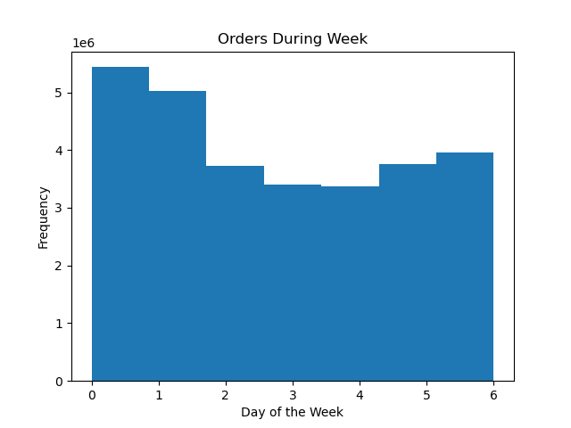

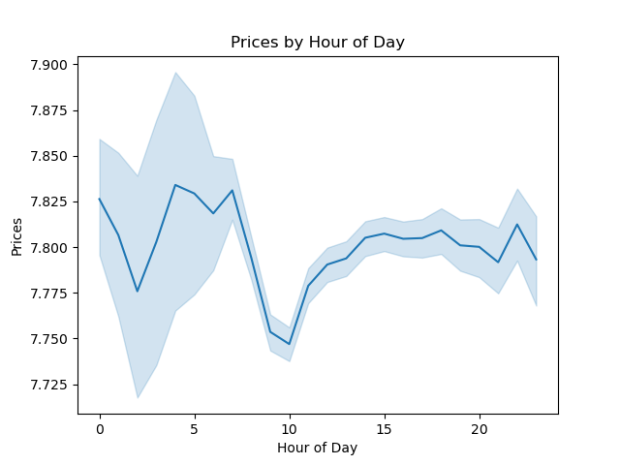

 | The busiest days of the week are Saturday and Sunday. The slowest days of the week are Tuesday and Wednesday. The busiest hours are between 9 am - 5 pm. The slowest hours occur from 12 am to 7 am. |  |  |  |  | Customers tend to spend on pricier items during the early mornings from 12 am - 7 am. Customers also spend more during the afternoon, but prices plateu around an average $7.8 during the evening.

What is the income range per customer age? |  |  |  | What is the average dependants by age? |  |  |  |  | What range of prices do the products fall in?

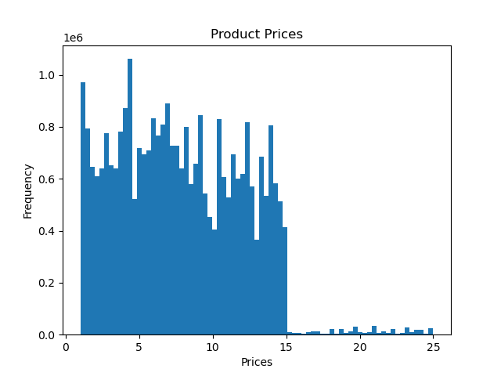
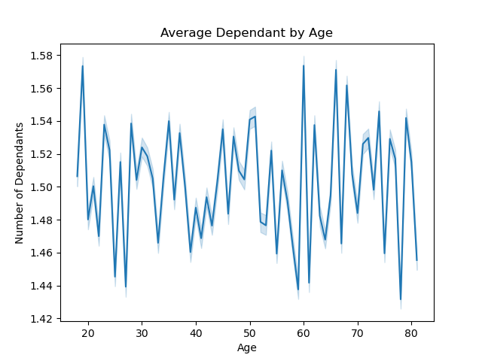

Customers younger than 40 years old tend to have less income than customers older than 40 years old. Most customers make less than $200,000 a year. |  |  |  | There is no clear trend when it comes to total dependants by age. On average, all age groups have dependants between 1 and 2. |  |  |  |  | Most products cost less than $15. Average prices fall around $7.5

Regional Analysis

 | How many customers are in each region? |  |  | What region has the most revenue? |  |  |  | What is the average income by region?
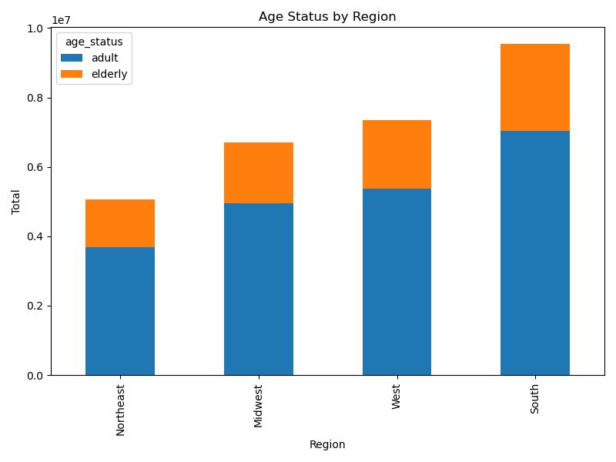
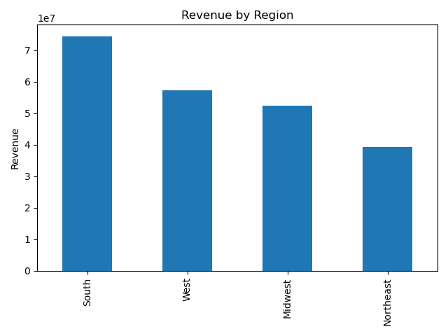
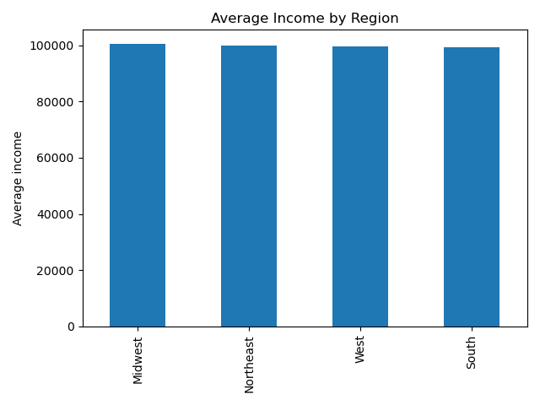

 | The South has the most customers. The West and Midwest have similar amount of customers. The Northeast has the least customers. Adults ages 18 - 65 years old make up most of the customers by age profile for all regions |  |  | The South produced the most revenue. It is followed by the Midwest and West. The Northeast produced the least in revenue. |  |  |  | Average income is similar among the four regions.

 | When are the busiest hours of day by region?

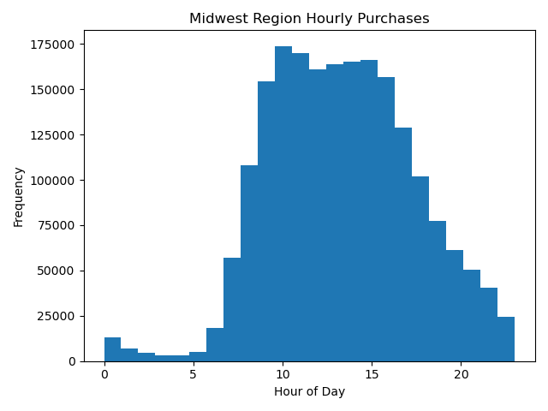
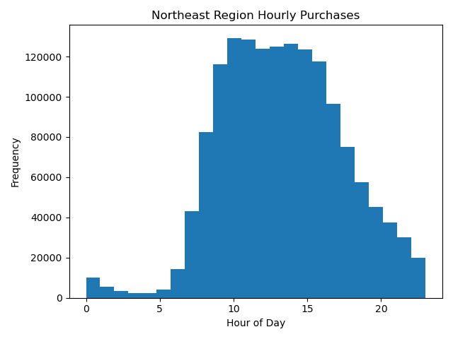



 |  |  | The busiest hours of the day per region are similar. The busiest hours are between 9 am - 5 pm. The slowest hours occur from 12 am to 7 am.

 | When are the busiest days by region?

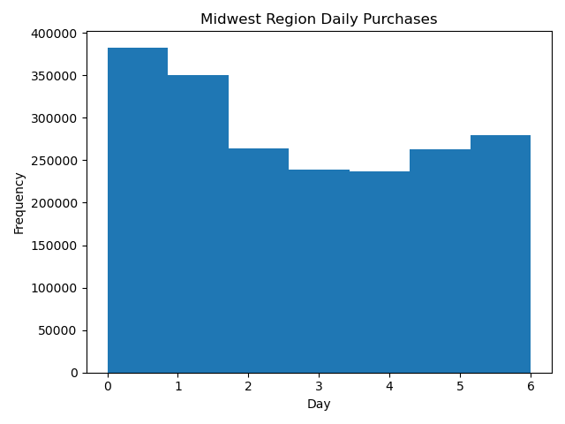


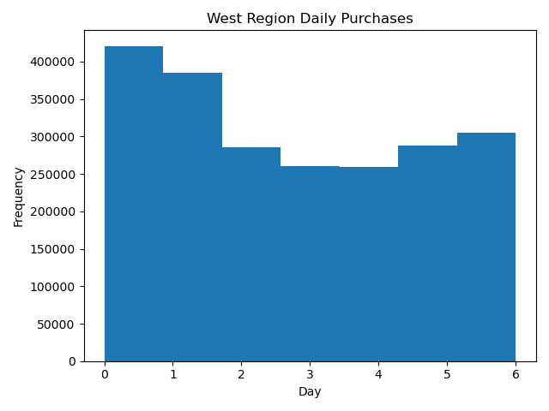

 |  |  | The busiest days of the week per region are similar. The busiest days of the week are Saturday and Sunday. The slowest days of the week are Tuesday and Wednesday.

 | What are the most popular items?

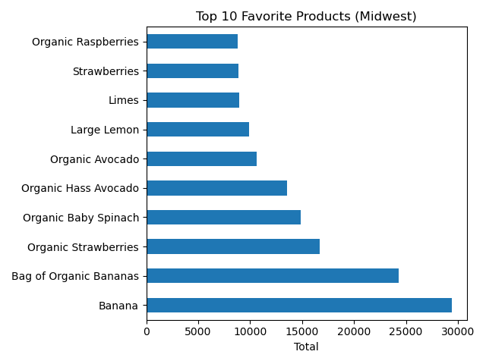
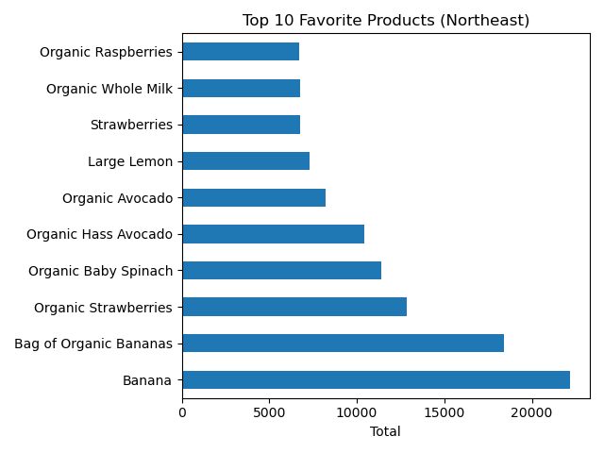
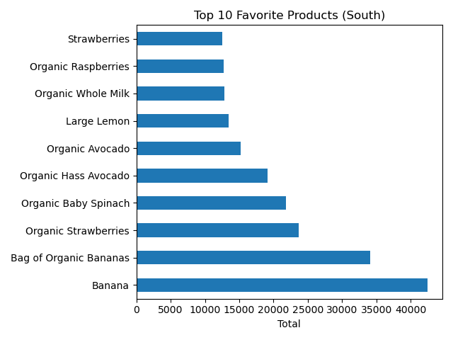
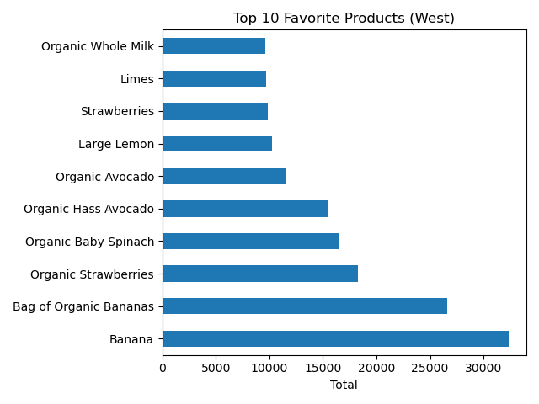

 |  |  | For all regions, bananas are the most popular item. Organic strawberries are the second most popular item, followed by spinach, avocados, and lemons.

Customer Profile Analysis

What is the total amount of customers per profile? |  |  |  | How does age and dependant status change per region? |  |  |  | What customer profile produces the most revenue?
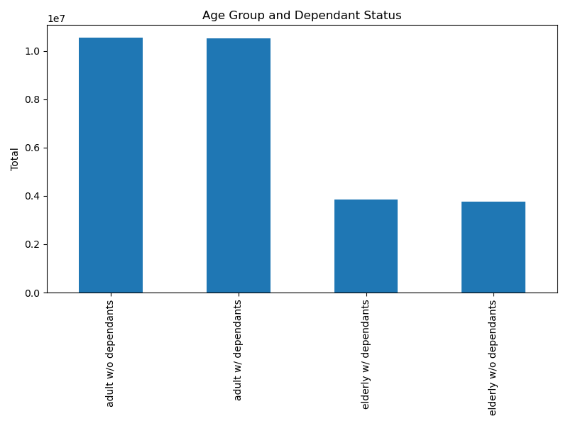
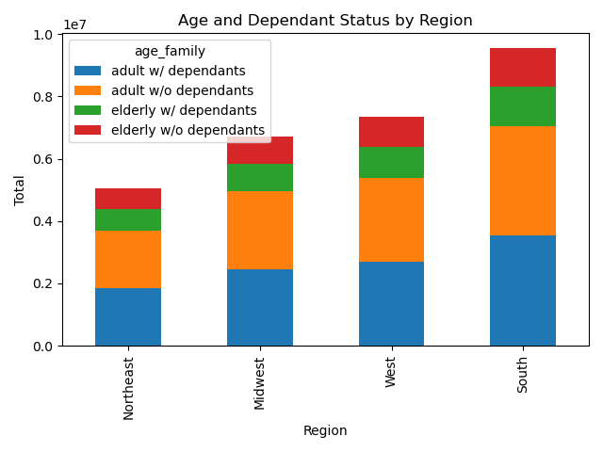
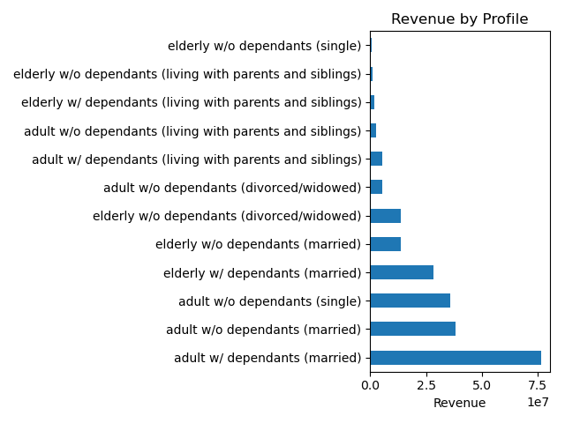

Adults from ages 18 - 64 years old make up the majority of customers. There are equal amount of adults that are with or without dependants. The elderly (65 years old and older) make up around 10 million customers. |  |  |  | Age and dependant status of customers are similar across all four regions. Adults (18 - 64 years old) make up the majority of customers per region. |  |  |  | Adults (18 - 64 years old) contribute to most of the revenue. Married adults with dependants produce the most revenue. Followed by maried and singles adults that do not have dependants.

Which departments have the highest frequency of product orders?

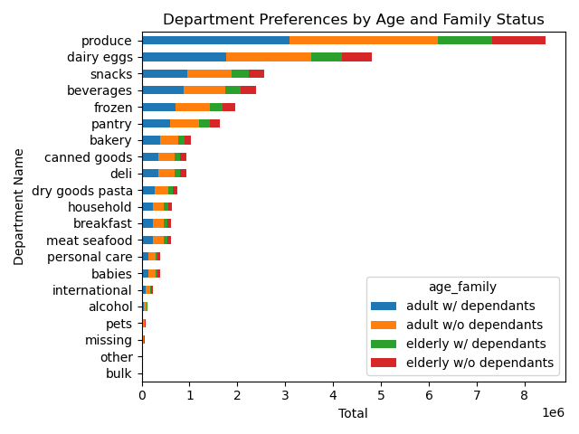
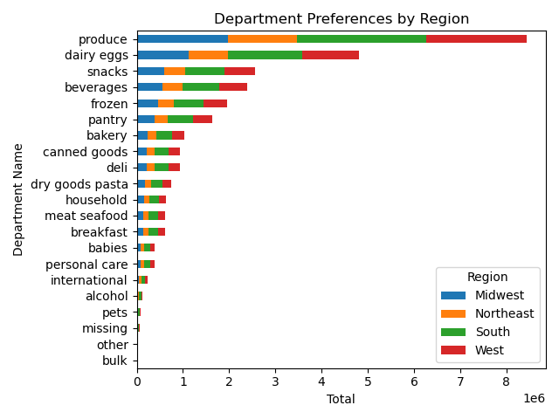

 |  |  | The produce department has the highest frequency of product orders among all customer profiles and regions. Department preferences are ranked the same between customer profiles and regions. The least popular departments are alcohol, pets, missing, other, and bulk.

Analysis of Customer Loyalty

How many customers are loyal? |  | Which customers generates the most revenue? |  |  |  |  | Customer loyalty by age and dependant profile |  |  | Customer loyalty by order behavior

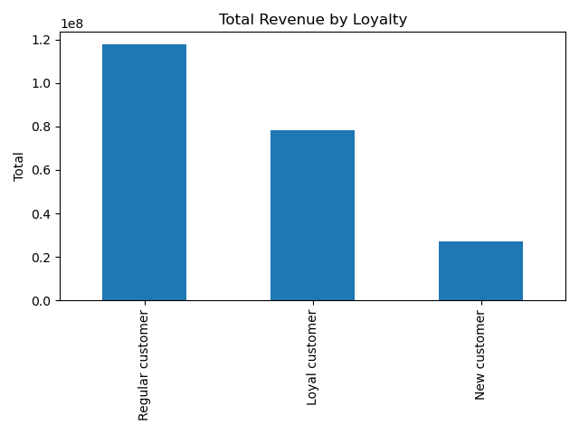
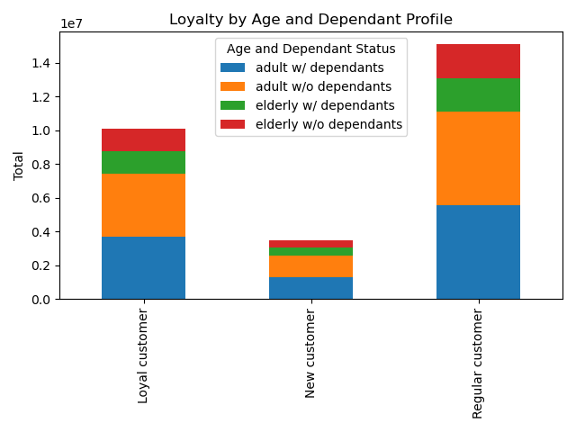
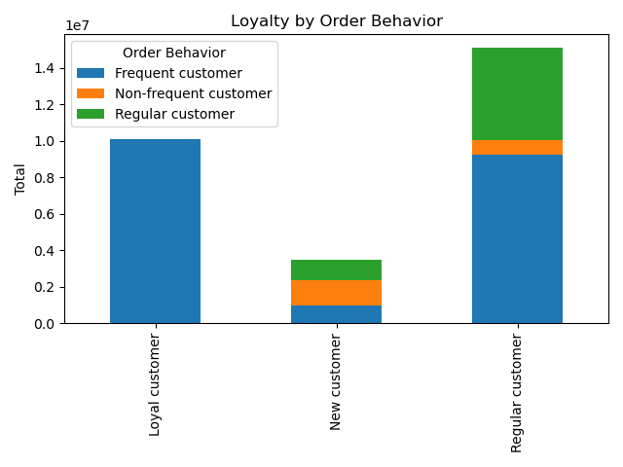

Majority of customers are regular customers. There are around 15 million regular customers, around 10 million loyal customers, and around 5 million new customers. |  | Regular customers generated the most revenue followed by loyal customers and new customers. |  |  |  |  | Adults (18 - 64 years old) with or without dependants comprise majority of regular, loyal, and new customers. Elderly customers (65 years and older) with or without dependants comprise a minority. |  |  | All loyal customers order frequently. Majority of regular customers order frequently or regularly.

7. Recommendations
 |  |  | Title page

Recommendations

Question | Visualizations | Observation and Recommendations
When are busiest days of the week? Slowest? |  | Observation: The busiest days of the week are Saturday and Sunday. The slowest days of the week are Tuesday and Wednesday. Recommendations: The marketing team and advertisement team can focus on running ads during the slowest days of the week (Tuesday and Wednesday). More customers and potetional customers could be reached during these days. Additional features could be added to the app. For instance, last week's order could be easily reordered with a single push of a button.
When are the busiest hours of the day? Slowest? |  | Observation: The busiest hours of the day are 9 am - 5 pm. The slowest hours are during times when people are mostly sleeping (12 am - 7 am). Recommendations: Advertisements should be run after 5 pm, when people are still awake but Instacart activity is slow. During the evening, most people are watching television or consuming media. This is a great opportunity to run ads.
Marketing and sales want to use simpler price range groupings to help direct their efforts. |  | Observation: Most product that are purchased are lower than $15. On average, customers purchase products that are around $7.5. Recommendations: Instacart should include more products that are reasonably priced and below $15. Most customers prefer cheaper items and more likely to purchase items that are reasonably priced.
Are there certain types of products that are more popular than others? |  | Observation: For all regions, bananas are the most popular item. Organic strawberries are the second most popular item, followed by spinach, avocados, and lemons. Recommendations: The most popular products are produce. Instacart is commonly used by customers to get their weekly groceries. Instacart may want to increase accessibility to organic produce, which may return higher profits. Also, Instacart may want to explore other types of products to increase revenue and potential customer base.
What departments are most popular? |  | Observation: The top five departments are produce, dairy eggs, snacks, beverages, and frozen. The five least popular departments are bulk, other, missing, pets, and alcohol. All regions and age groups have the same department preferences. Recommendations: The most popular departments have the most customer purchases and generate the most revenue for Instacart. Instacart could increase the produce and grocery selection and decrease selection from unpopular departments. This may increase revenue and cut data costs.
Are there differences in ordering habits based on a customer’s loyalty status? |  | Observation: Regular customers contribute to most of the revenue. This is due to the fact that there are more regular customers than there are loyal customers. Adults (18 - 64 years old) make up a majority of loyal and regular customers. Loyal customers are all frequent customers. Recommendations: Further analysis should be done to understand the product and department preferences of regular and loyal customers. Also, more analysis should also be done to understand how new customers become loyal customers and how to increase customer loyalty.
Are there differences in ordering habits based on a customer’s region? |  | Observation: The busiest hours and days per region are similar to what was observed among the entire dataset. Recommendations: There are no visible differences in ordering habits between regions. Therefore, advertisements should run during the previously recommended timeframes.
Is there a connection between age and family status in terms of ordering habits? |  | Observation: Majority of customers are adults (18 - 64 years old) with or without dependants. Adults contribute to most of the revenue. Married adults with dependants produce the most revenue. Followed by maried and singles adults that do not have dependants. Recommendations: Married and single adults with and without dependants contributed the most to revenue. Market research could be done to try to better understand the product preferences of these consumers.

